Sheet1
Test Scenario | User Test | Detail | Expected Result
EX-AC-01-001 Activity Request | 26004045 | สร้างใบ Request | 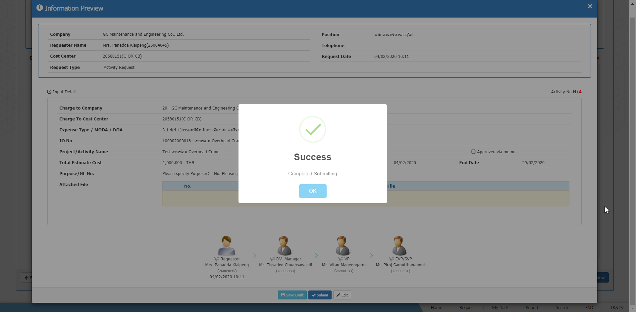
 | 26003988 26900133 26900431 | Approve | 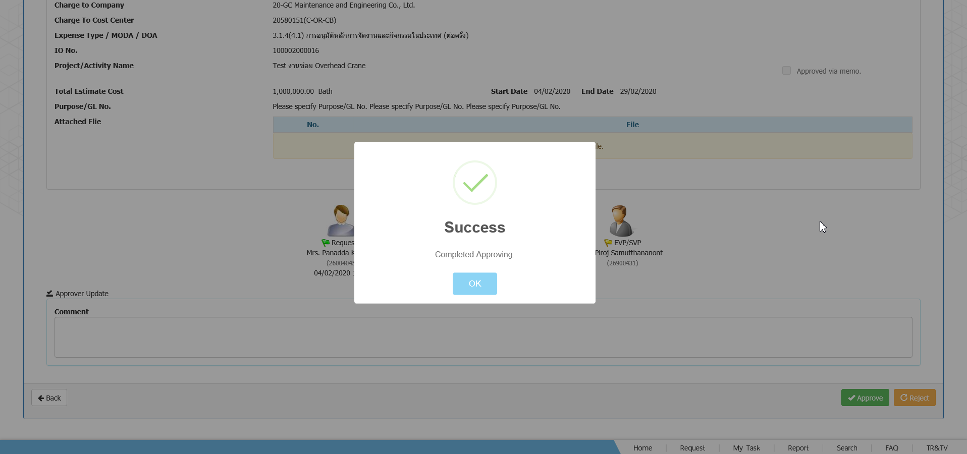
EX-AD-01-001 Advance Request Ref. Activity 20AC20000009 | 26004045 | สร้างใบ Request | 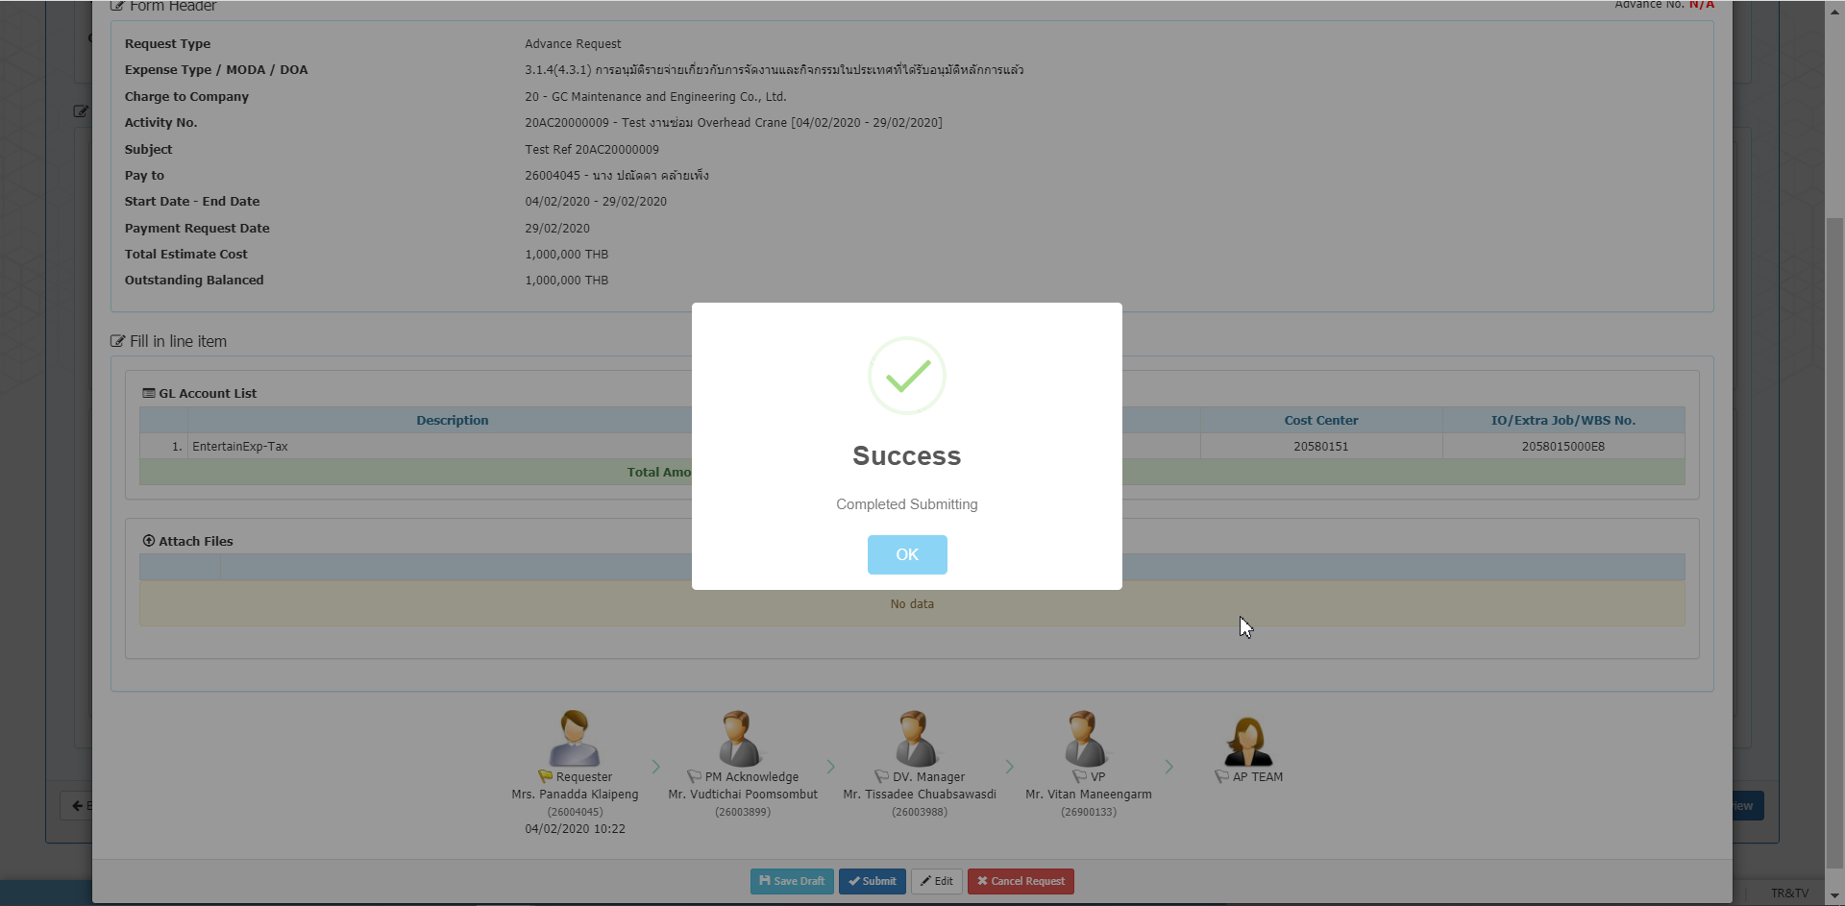
 | 26003899 26003988 26900133 | Approve | 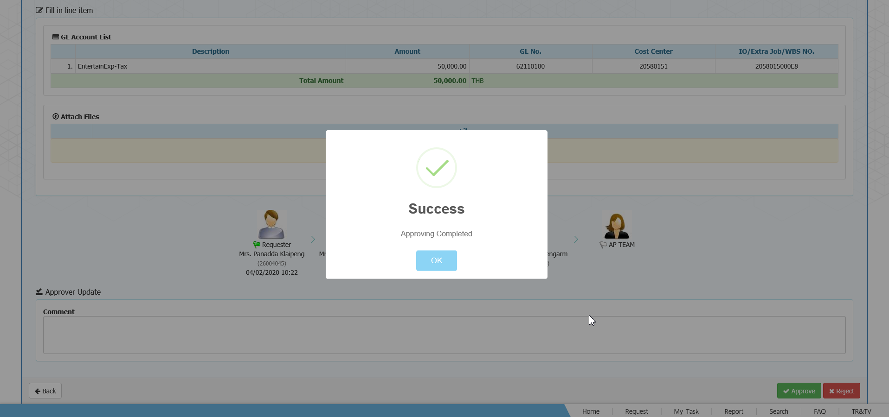
 | AP Team 26003974 | Post to SAP | 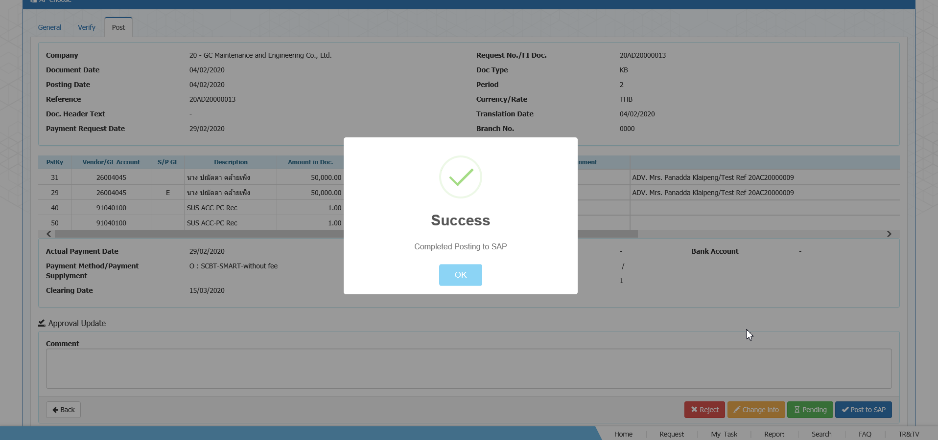
EX-AD-01-002 Advance Request No Ref. Activity Request | 26004045 | สร้างใบ Request | 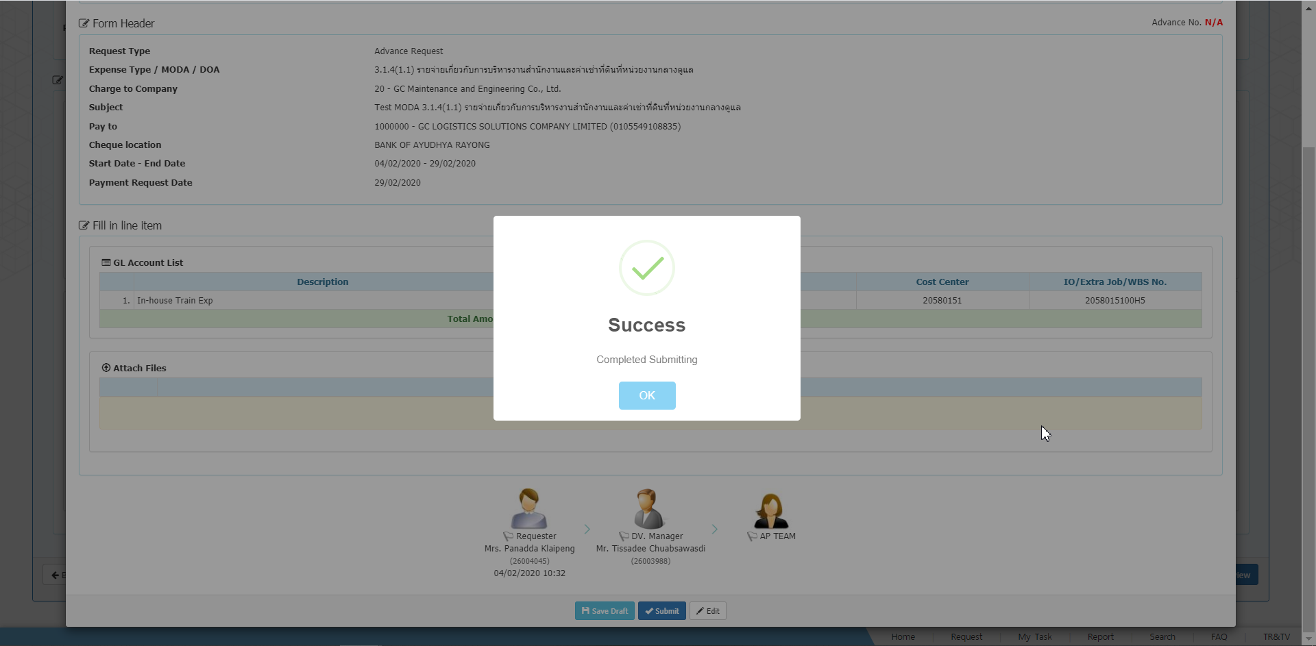
 | 26003988 | Approve | 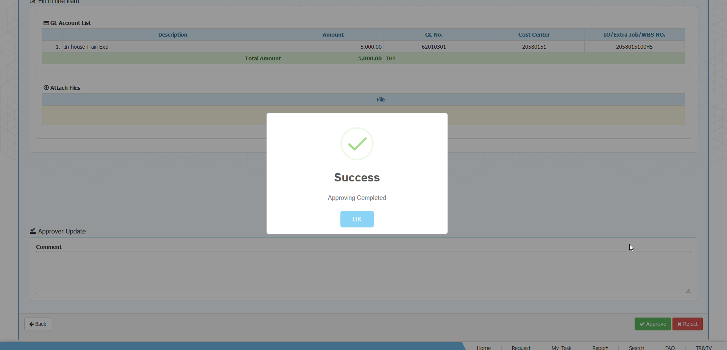
 | AP Team 26003974 | Post to SAP | 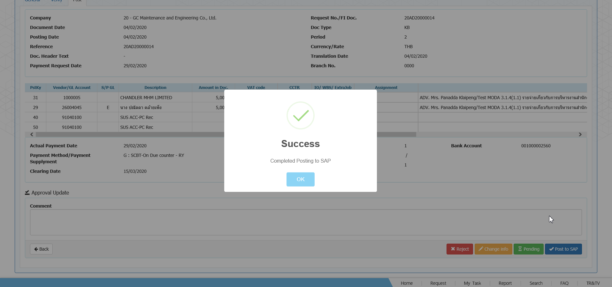
EX-CL-01-001 Clearing Advance Request แบบธรรมดา Ref. 20AD20000013 | 26004045 | สร้างใบ Request | 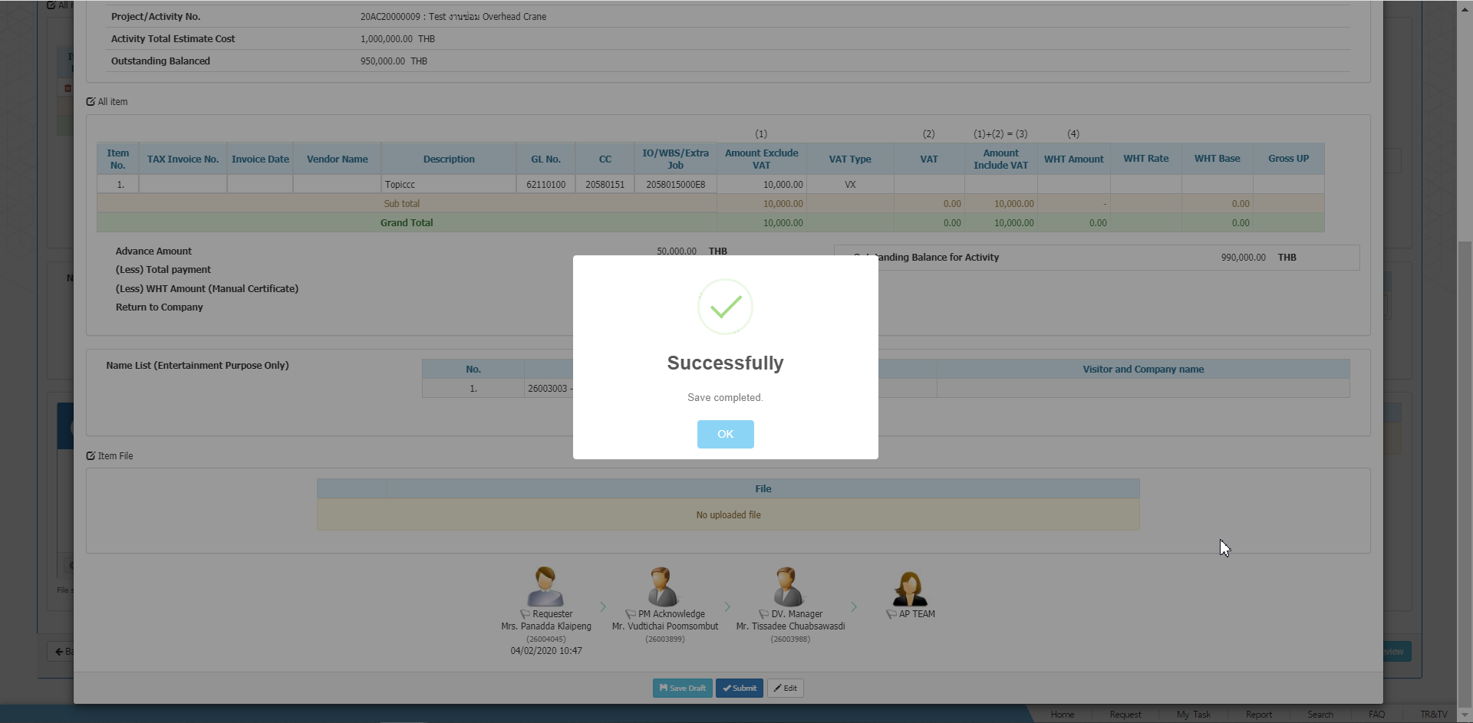
 | 26003899 26003988 | Approve | 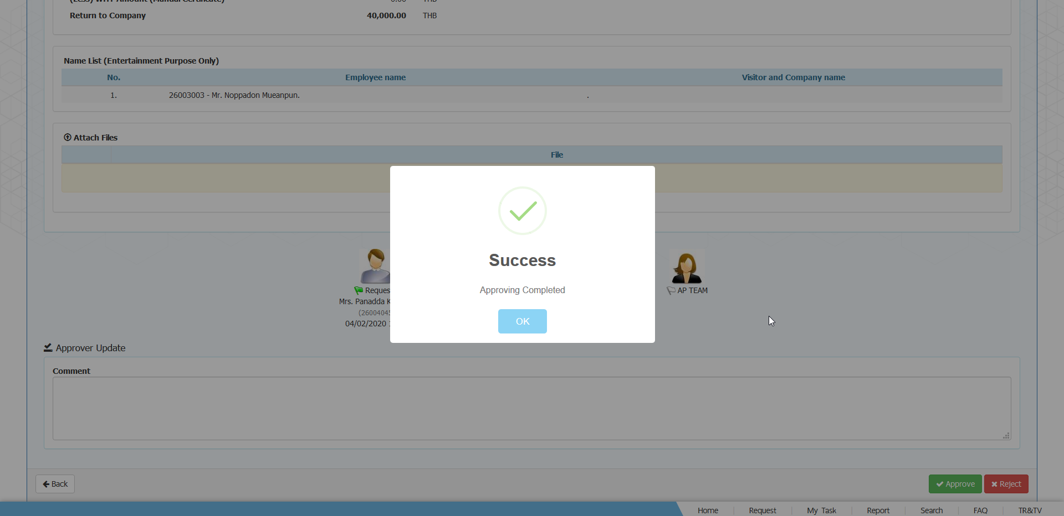
 | AP Team 26003974 | Post to SAP | 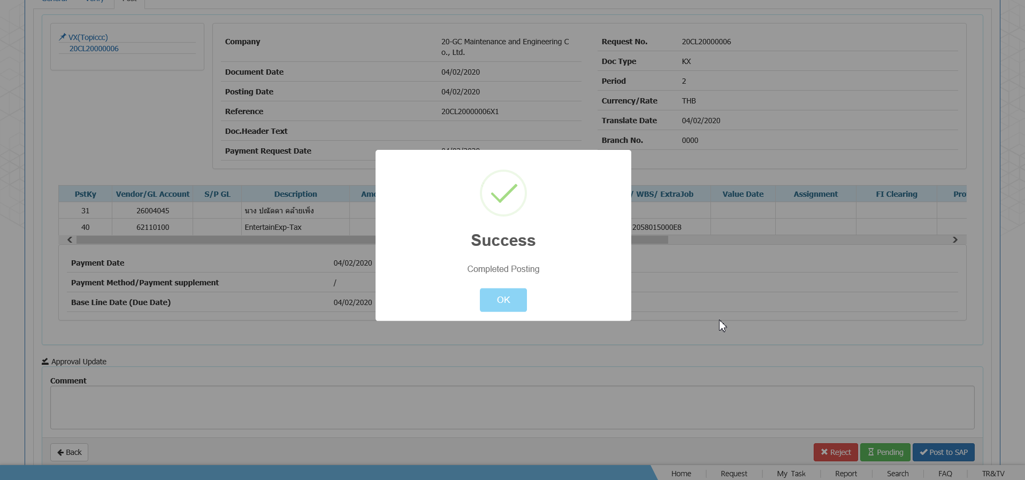
EX-CL-01-002 Clearing Advance Request แบบ Return Full Amount | 26004045 | สร้างใบ Request | 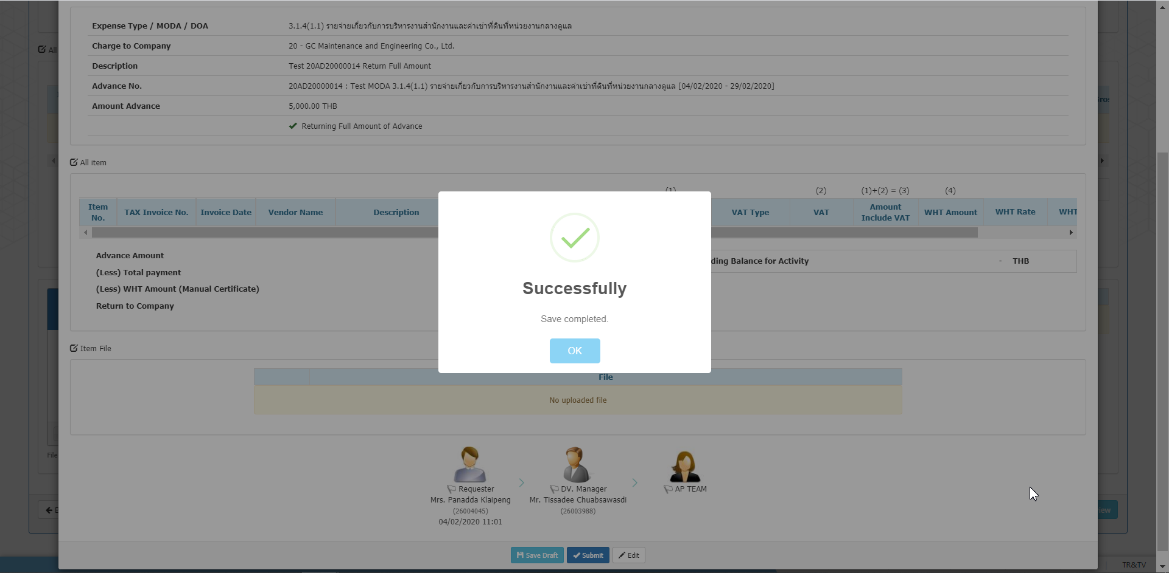
 | 26003988 | Approve | 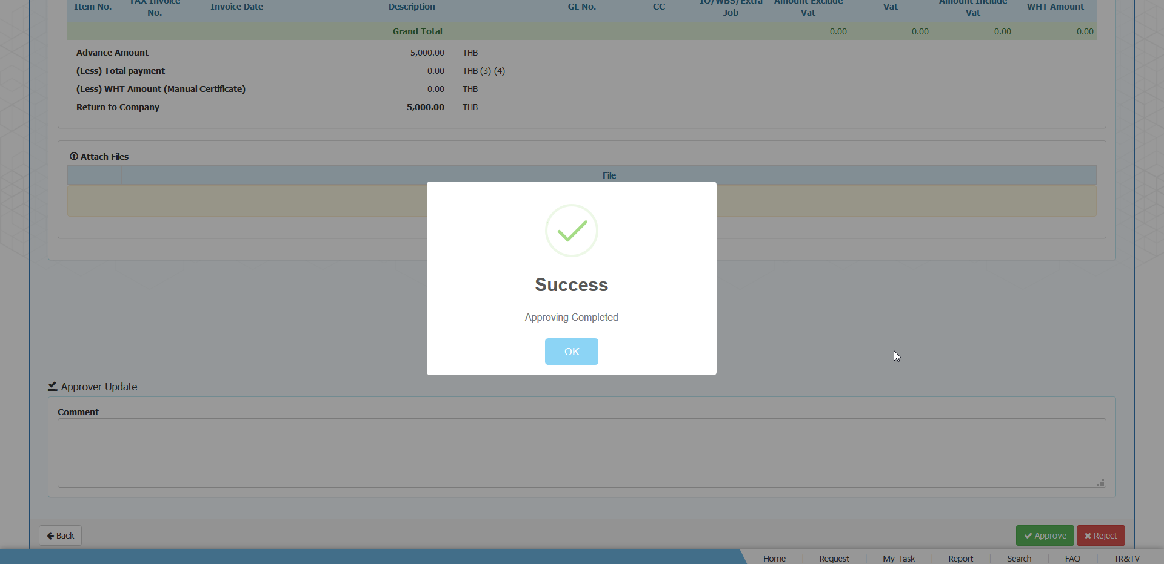
 | AP Team 26003974 | Acknowledge | 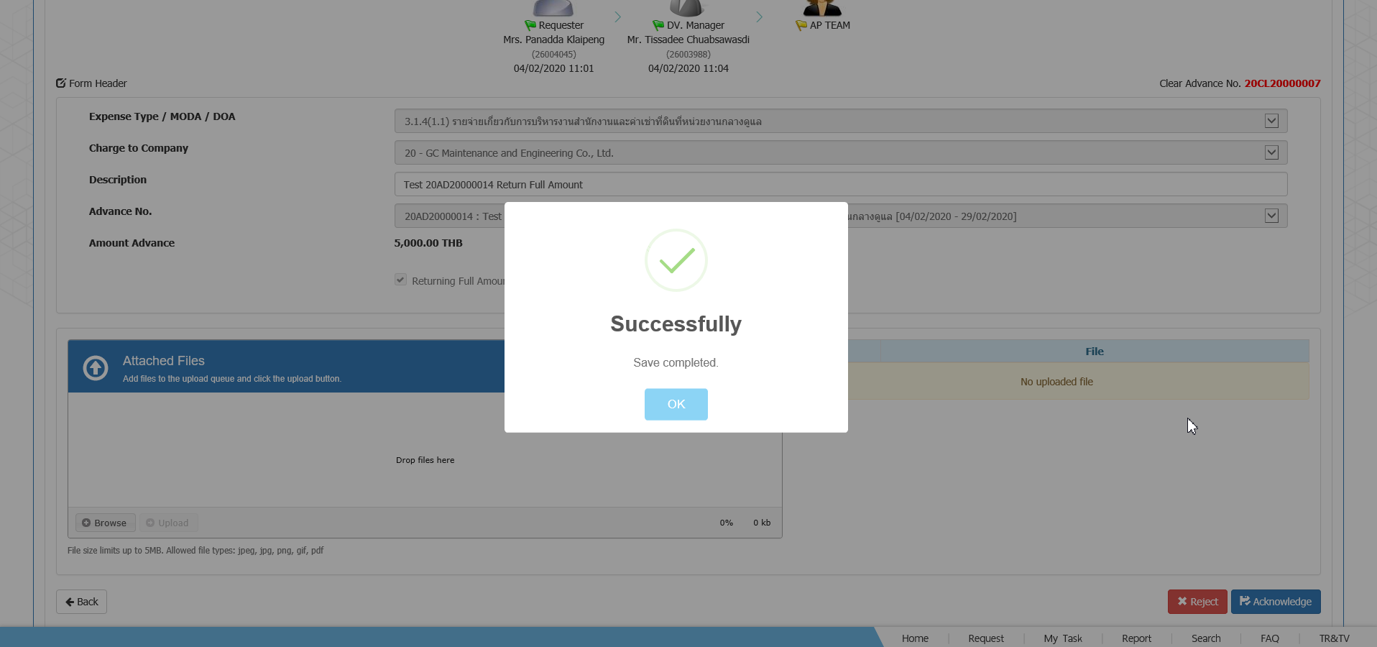
EX-RE-01-001 Reimburse Request Ref. Activity 20AC20000009 | 26004045 | สร้างใบ Request | 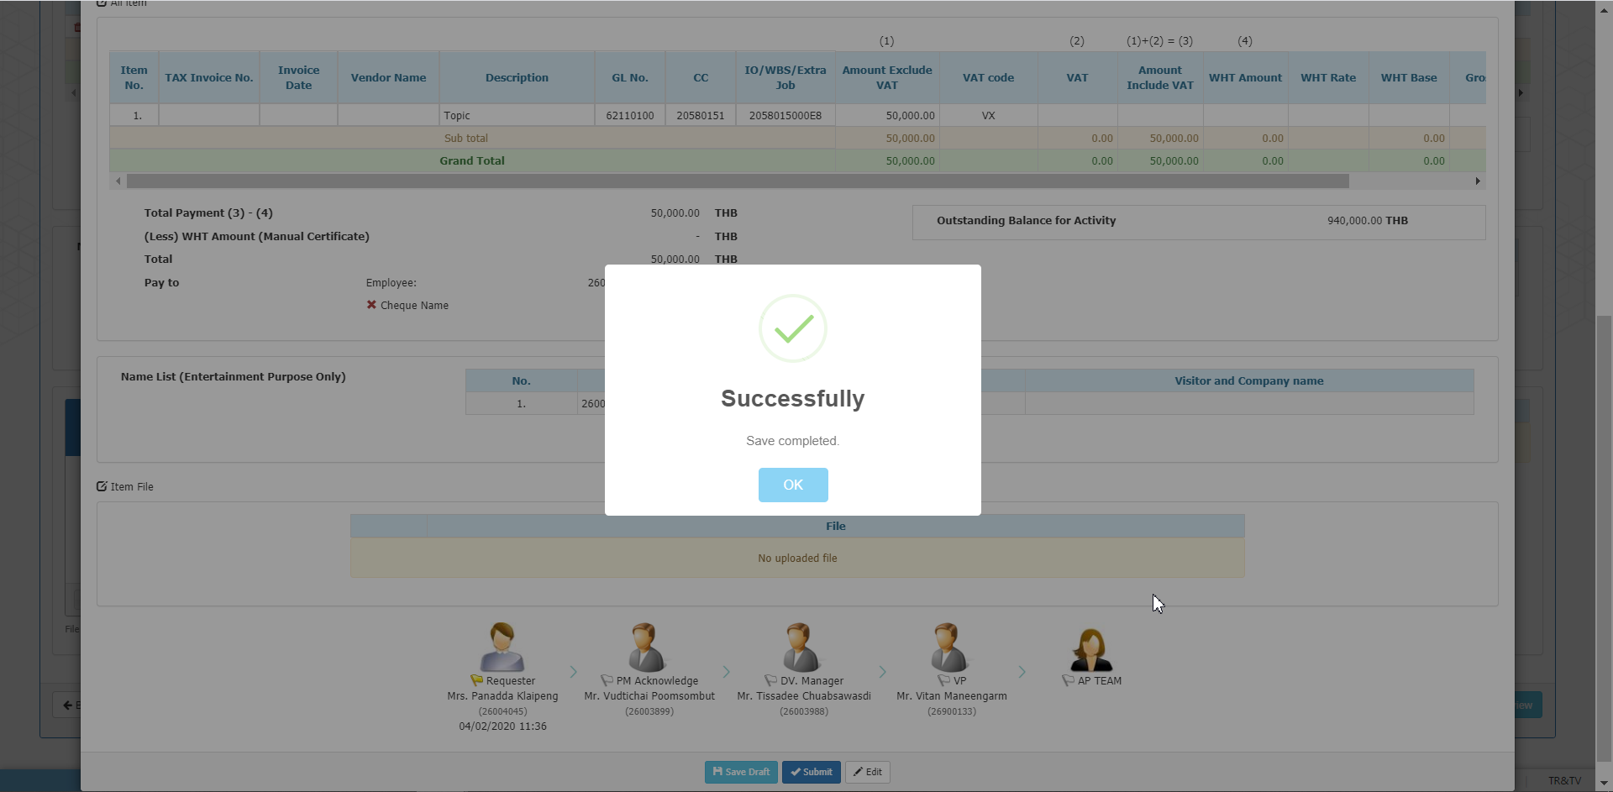
 | 26003899 26003988 26900133 | Approve | 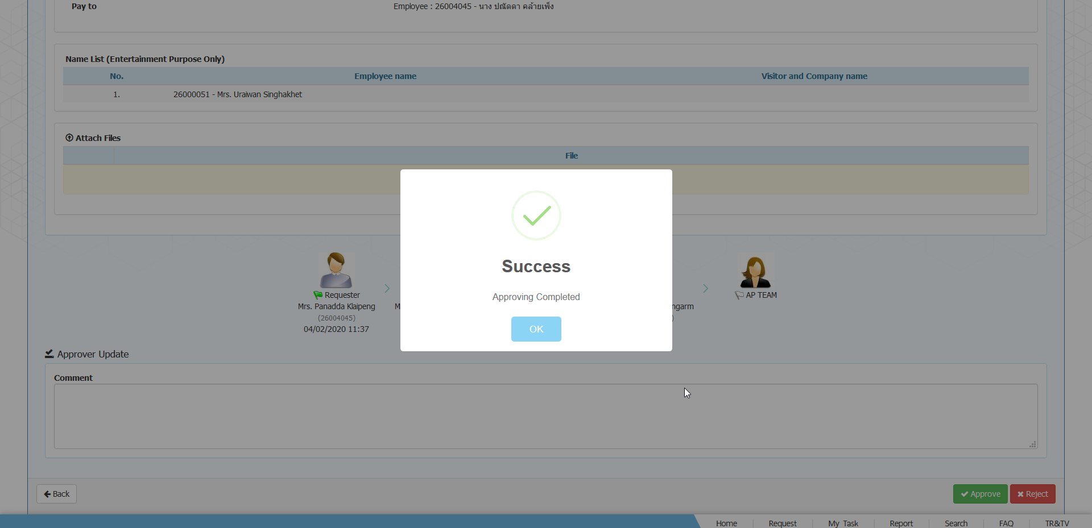
 | AP Team 26003974 | Post to SAP | 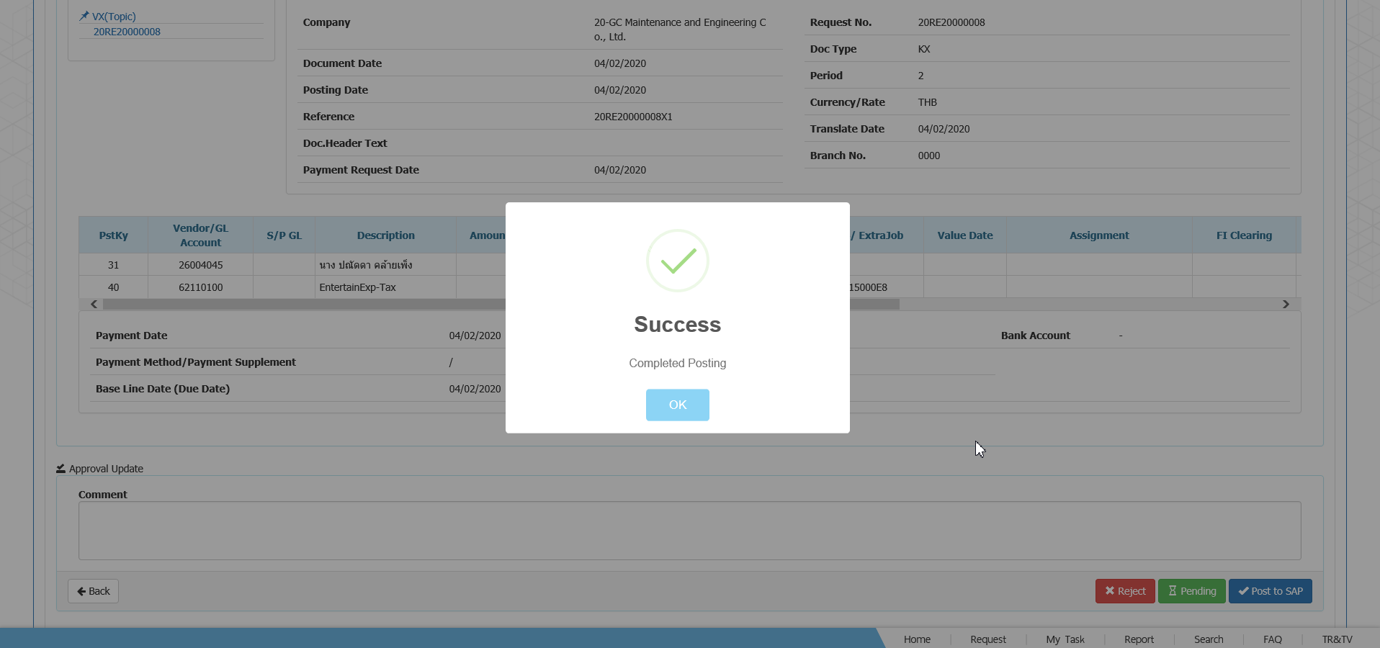
EX-RE-01-002 Reimburse Request No Ref. Activity Request | 26004045 | สร้างใบ Request | 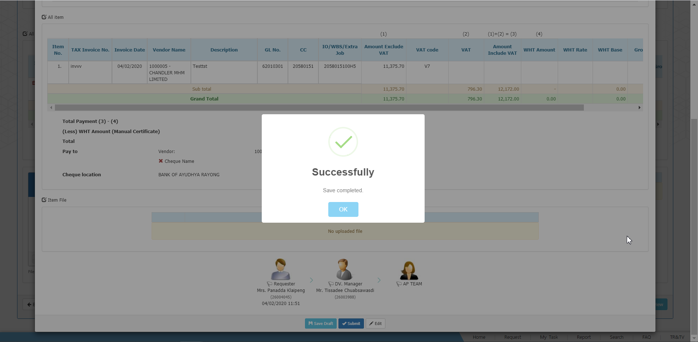
 | 26003988 | Approve | 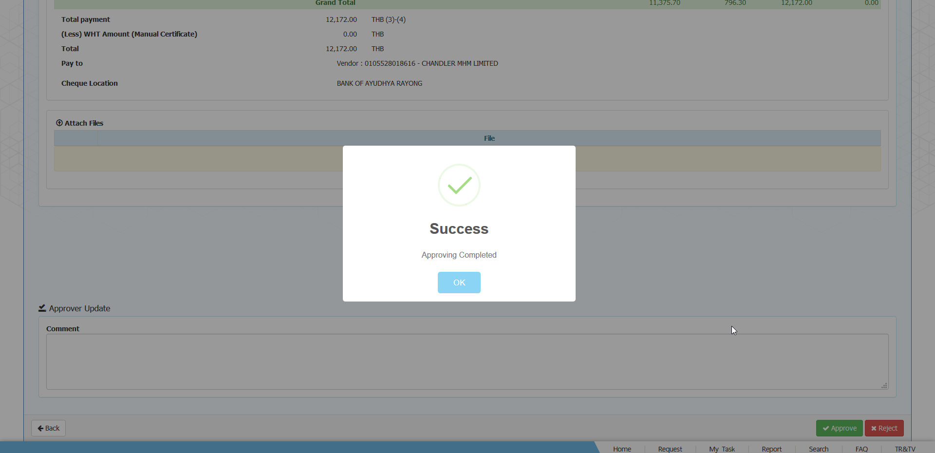
 | AP Team 26003974 | Post to SAP | 